Sheet1
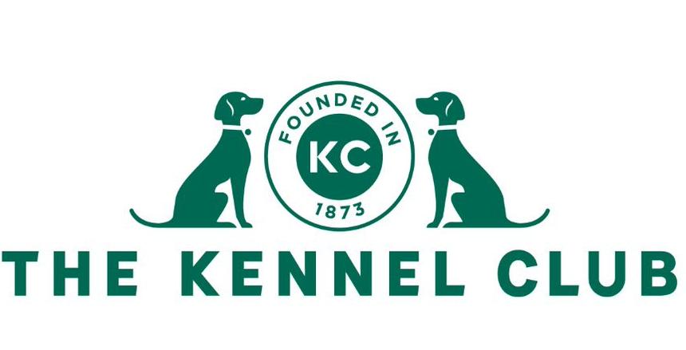
 |  | Heelwork to Music Excellent Award |  |  |  | Total Points Achieved:
 |  | Claim Form |  |  |  | 0

 |  | If a 1st place has been won in starters or novice, or two 1st places at intermediate or advanced, when the required level of points have been gained, the dog will also be awarded an Excellent qualification and can use the title "Ex" after its class title, such as: HTM St Ex.

 |  | To gain a heelwork to music Excellent Award, the dog must have attained the following:

 |  | Starters: 14 points in starters including at least one 1st place
 |  | Novice: 16 points in novice including at least one 1st place
 |  | Intermediate: at least two 1st places in intermediate
 |  | Advanced: at least two 1st places in advanced

 |  | The following points are awarded in all of The Kennel Club's standard classes: 1st place: 10 points 2nd place: 6 points 3rd place: 4 points 4th place: 2 points

 |  | The following Excellent Awards can be obtained: Heelwork to music: HTM St Ex, HTM N Ex, HTM I Ex, HTM A Ex Freestyle: FS St Ex, FS N Ex, FS I Ex, FS A Ex

Details of Dog
Kennel Club Registered Name
Kennel Club Registration Number
Breed
Date of Birth

Details of Owner
Title
Forename
Surname
Address
Postcode
Email

Award title applied for:

Competition Date | Competition name |  | Class | Judge | Placing | Points

 |  |  |  |  | Total Points | 0

