Sheet1
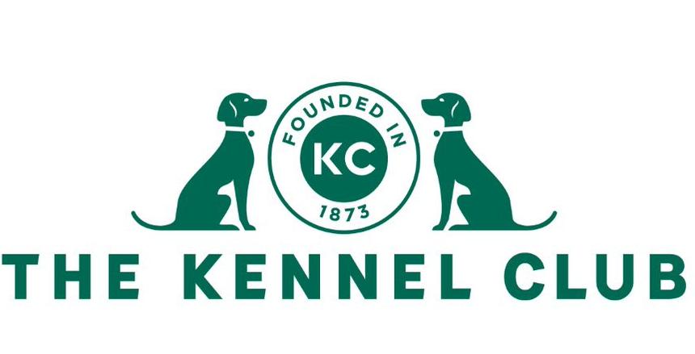
 |  | Obedience Warrant |  |  |  | Total Points Achieved:
 |  | Claim Form |  |  |  | 0

 |  | An Obedience Warrant will be issued on application by the registered owner at the time of qualification in respect of a dog that has obtained 100 progression points (as defined in General Regulations G Annex A)

 |  | The points are to be gained at championship, premier or open obedience shows, and must include the following: 1. 20 points in novice class 2. 30 points in class A 3. 30 points in class B 4. 10 points for a first prize in open class C on at least one occasion 5. 10 additional points in open class C, which must be gained after 1 January 2022 6. Where a dog had to progress because it had won a first prize, or first prizes, at a higher level, then additional points achieved at a higher class may be used to supplement points at a lower class to achieve the 100 points total 7. Points awarded will be as follows: First place 10 points Second place 4 points Third place 2 points Fourth place 1 point 8. The title ‘OW’ may be used after the name of the dog on show entries and in catalogues

Details of Dog
Kennel Club Registered Name
Kennel Club Registration Number
Breed
Date of Birth
Measured height of dog

Details of Owner
Title
Forename
Surname
Address
Postcode
Email

Show Date | Show Name |  | Class | Judge | Placing | Points

 |  |  |  |  | Total Points | 0

